Plastic Footprint Calculator
 | Plastic Footprint
 | Calculator

 | Objectives |  | Principles

 | The objective of this calculator is to aid you and your independent auditor in the assessment of your plastic footprint as defined in the Plastic Neutral Pact. Here, we outline the different possible sources of plastic within your business, so that you may plot volumes within a given time frame accordingly. Using these measurement standards allows your organization follow a process when collecting data, and more importantly helps you to identify plastic reduction opportunities. If you are applying for a Plastic Neutral certification please ensure that you submit a true and certified copy of this document to PCEx along with your application. |  | 1. All input data pertains only to the company being assessed, and not any of its stakeholders (e.g. employees). 2. All input data shall have as its basis only purchases the company has made and recorded on its books. 3. All input data shall fall under a defined period of assessment.

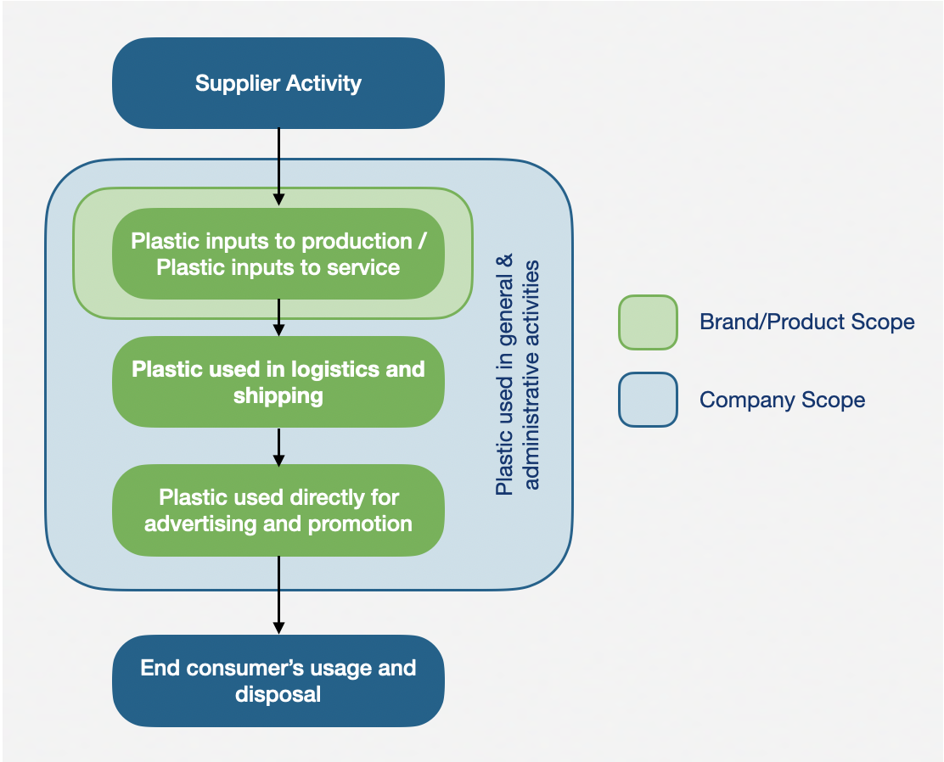
 | Scope Summary

 | The scope of the plastic footprint calculator covers all the plastic generated along the value chain starting upon ownership and receipt of raw materials up until use of product/ service by consumers in its intended purpose. This includes all raw and packaging materials inputs, materials used during production, transport, advertising and promotion, and consumption in its original packaging (for products). The plastic footprint represents an inventory, in unit of mass, of plastic leakage into the environment.

General Information

 | Company Name

 | Plastic Footprint Scope

 | Period of Data Used for Calculator

 | 1A | Plastic Inputs to Production of Goods

 | A. PRODUCT These are plastic raw materials that go directly into the product that is being made. Examples include vinyl, resin, glue, polypropylene plastic, polycarbonate, and plastics that go into toys and appliances.

 |  | WEIGHT (KG) |  | SOURCE/ASSUMPTIONS

 | Material 1 | 0.00
 | Material 2 | 0.00
 | Material 3 | 0.00
 | Material 4 | 0.00
 | Material 5 | 0.00

 | B. PACKAGING These are plastic materials that are used in the primary, secondary, or tertiary product packaging of the product. Examples include wrappers, bottles, caps, laminated boxes, and labels.

 |  | WEIGHT (KG) |  | SOURCE/ASSUMPTIONS

 | Material 1 | 0.00
 | Material 2 | 0.00
 | Material 3 | 0.00
 | Material 4 | 0.00
 | Material 5 | 0.00

 | C. PROCESSING/MANUFACTURING These are plastic materials that are used anywhere in the manufacturing process of the product. Examples include plastic equipment, safety goggles, hairnets, packaging for cleaning implements and other fluids, and plastic pallets in the plant.

 |  | WEIGHT (KG) |  | SOURCE/ASSUMPTIONS

 | Material 1 | 0.00
 | Material 2 | 0.00
 | Material 3 | 0.00
 | Material 4 | 0.00
 | Material 5 | 0.00

 | SUBTOTAL (KG) | 0.00

 | 1B | Plastic Inputs to Rendering Services for Service Companies

 | A. SERVICE These are plastic materials that are used in order to render any service. Examples include plastic utensils, straws, shower caps, medical equipment, and disposable razors.

 |  | WEIGHT (KG) |  | SOURCE/ASSUMPTIONS

 | Material 1 | 0.00
 | Material 2 | 0.00
 | Material 3 | 0.00
 | Material 4 | 0.00
 | Material 5 | 0.00

 | SUBTOTAL (KG) | 0.00

 | TOTAL PLASTIC INPUTS IN PRODUCTS/SERVICE (KG) | 0.00

 | 2| Plastics Used in Logistics & Shipping

 | A. PLASTIC USED IN PACKING AND TRANSPORTING FROM MANUFACTURING TO WAREHOUSE Examples include plastic pallets used in truck, stretch wrap, and bubble wrap.

 |  | WEIGHT (KG) |  | SOURCE/ASSUMPTIONS

 | Material 1 | 0.00
 | Material 2 | 0.00
 | Material 3 | 0.00
 | Material 4 | 0.00
 | Material 5 | 0.00

 | B. PLASTIC USED IN PACKING AND TRANSPORTING FROM WAREHOUSE TO RETAILER Examples include nylon, adhesives, and plastic twine.

 |  | WEIGHT (KG) |  | SOURCE/ASSUMPTIONS

 | Material 1 | 0.00
 | Material 2 | 0.00
 | Material 3 | 0.00
 | Material 4 | 0.00
 | Material 5 | 0.00

 | C. PLASTICS USED IN PACKING AND TRANSPORTING FROM WAREHOUSE DIRECTO TO CONSUMER (I.E. ONLINE SALES, DIRECT SALES, ETC.) Examples include delivery sleeves, shipping and return bags, and plastic tags.

 |  | WEIGHT (KG) |  | SOURCE/ASSUMPTIONS

 | Material 1 | 0.00
 | Material 2 | 0.00
 | Material 3 | 0.00
 | Material 4 | 0.00
 | Material 5 | 0.00

 | SUBTOTAL (KG) | 0.00

 | 3| Plastics Used Directly for Advertising, Promotions & Merchandising

 | A. PLASTICS USED IN ADVERTISING Examples include billboard tarpaulins, point-of-sale displays, laminated brochures, PVC banners, and signages.

 |  | WEIGHT (KG) |  | SOURCE/ASSUMPTIONS

 | Material 1 | 0.00
 | Material 2 | 0.00
 | Material 3 | 0.00
 | Material 4 | 0.00
 | Material 5 | 0.00

 | B. PLASTICS USED IN EVENTS AND ACTIVATIONS Examples include plastic booths, snack and beverage packaging, and various fit-outs and decorations.

 |  | WEIGHT (KG) |  | SOURCE/ASSUMPTIONS

 | Material 1 | 0.00
 | Material 2 | 0.00
 | Material 3 | 0.00
 | Material 4 | 0.00
 | Material 5 | 0.00

 | SUBTOTAL (KG) | 0.00

 | 4| Plastics Used for General & Administrative Activities

 | A. PLASTICS USED IN OFFICE FURNITURE AND EQUIPMENT Examples include plastic components in laptops, printers, A/C units, storage bins, and furniture.

 |  | WEIGHT (KG) |  | SOURCE/ASSUMPTIONS

 | Material 1 | 0.00
 | Material 2 | 0.00
 | Material 3 | 0.00
 | Material 4 | 0.00
 | Material 5 | 0.00

 | B. PLASTICS USED IN OFFICE SUPPLIES Examples include plastic components and packaging of plastic fasteners, binder clips, paper reams, snacks, and cleaning supplies.

 |  | WEIGHT (KG) |  | SOURCE/ASSUMPTIONS

 | Material 1 | 0.00
 | Material 2 | 0.00
 | Material 3 | 0.00
 | Material 4 | 0.00
 | Material 5 | 0.00

 | C. PLASTICS USED IN COMPANY EVENTS Examples include plastic used at company birthdays, luncheons, and parties; e.g. plastic utensils, decor, takeout packaging, and acrylic nameplates.

 |  | WEIGHT (KG) |  | SOURCE/ASSUMPTIONS

 | Material 1 | 0.00
 | Material 2 | 0.00
 | Material 3 | 0.00
 | Material 4 | 0.00
 | Material 5 | 0.00

 | D. PLASTICS USED IN RESEARCH AND DEVELOPMENT These are plastic materials used in new product or service innovations. Examples include plastic raw materials, packaging components, tools, and equipment.

 |  | WEIGHT (KG) |  | SOURCE/ASSUMPTIONS

 | Material 1 | 0.00
 | Material 2 | 0.00
 | Material 3 | 0.00
 | Material 4 | 0.00
 | Material 5 | 0.00

 | SUBTOTAL (KG) | 0.00

 | TOTAL GROSS PLASTIC FOOTPRINT (MT) | 0.00

 | Plastics Reused / Recycled / Composted

 | A. REUSE/REUSED PACKAGING Operation by which packaging is refilled or used for the same purpose for which it was conceived, with or without the support of auxiliary products present on the market, enabling the packaging to be refilled.

 |  | WEIGHT (KG) |  | SOURCE/ASSUMPTIONS

 | Material 1 | 0.00
 | Material 2 | 0.00
 | Material 3 | 0.00
 | Material 4 | 0.00
 | Material 5 | 0.00

 | SUBTOTAL (KG) | 0.00

 | B. RECYCLED PACKAGING (POST-CONSUMER) Product, packaging, or associated component that can be diverted from the waste stream through available processes and programmes and can be collected, processed, and returned to use in the form of raw materials or products.

 |  | WEIGHT (KG) |  | SOURCE/ASSUMPTIONS

 | Material 1 | 0.00
 | Material 2 | 0.00
 | Material 3 | 0.00
 | Material 4 | 0.00
 | Material 5 | 0.00

 | SUBTOTAL (KG) | 0.00

 | C. PLASTICS COMPOSTED A packaging or packaging component (1) is compostable if it is in compliance with relevant international compostability standards (2) and if its successful post-consumer (3) collection, (sorting), and composting is proven to work in practice and at scale (4). See glossary for more info.

 |  | WEIGHT (KG) |  | SOURCE/ASSUMPTIONS

 | Material 1 | 0.00
 | Material 2 | 0.00
 | Material 3 | 0.00
 | Material 4 | 0.00
 | Material 5 | 0.00

 | SUBTOTAL (KG) | 0.00

 | TOTAL REUSED/RECYCLED/COMPOSTED (MT) | 0.00

 | PLASTIC FOOTPRINT NET OF REUSED/RECYCLED PLASTIC (MT) | 0.00

